2023 CMHA Single Detached
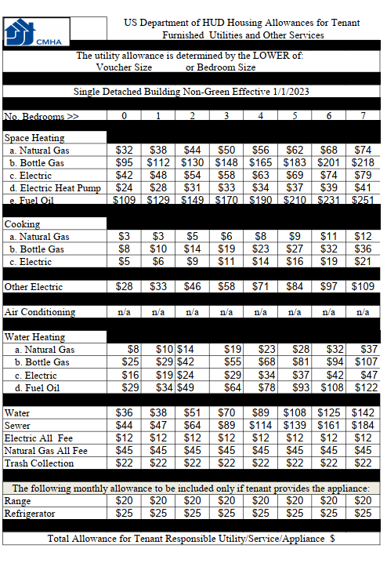

2023 CMHA Single Attached
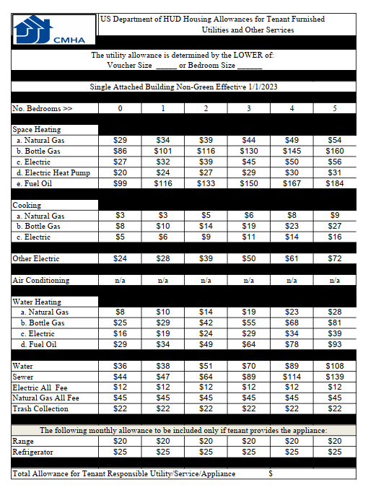

2023 CMHA Large Non-Green
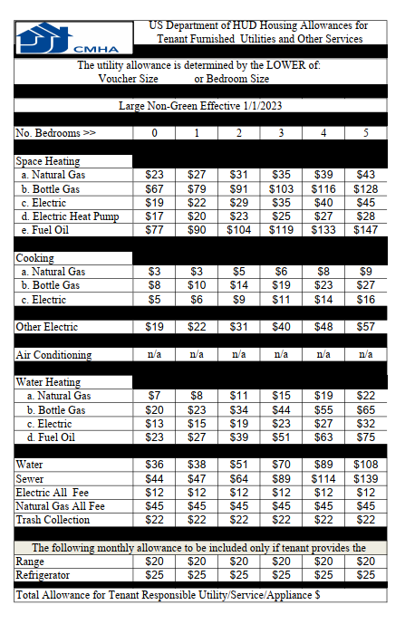

2023 CMHA Low Rise Non-Green
